Super Bowl Week
Playoffs Round 1 |  |  |  |  |  |  |  | Jamboree

(1) Canseco's Pharmacist |  | (3) Alvin, Dalvin, and the Chipmunks |  | (2) The Fire Nagy and Pace's |  | (4) Bocki Balboa |  | Josh Allen's Deleted Tweets |  | The QPFL Affirmative Action Policy |  | The One Percenters |  | Suspended for Inactivity |  | Jambo Scoreboard | Total Score | Rank
Ryan Redacted |  | Griffin Ansel |  | Connor/Stephen |  | Censored Przybocki |  | Kaminska/Spencer |  | Arnav Patel |  | Bill Kuhl |  | Joe Ward |  | Kaminska/Spencer | 199 | 1
RPA |  | GSA |  | CWR/SLS |  | RCP |  | CGK/SRY |  | AYP |  | WJK |  | JRW |  | Joe | 111 | 4
 | Points |  | Points |  | Points |  | Points |  | Points |  | Points |  | Points |  | Points | Bill | 114 | 3
QB |  | QB |  | QB |  | QB |  | QB |  | QB |  | QB |  | QB |  | Arnav | 119 | 2
D. Prescott (DAL) | 39 | P. Mahomes II (KC) | 28 | K. Murray (ARI) | 22 | T. Brady (TB) | 16 | J. Allen (BUF) | 36 | M. Stafford (LAR) | 10 | A. Rodgers (GB) | 26 | L. Jackson (BAL)
T. Lawrence (JAX) |  | R. Wilson (SEA) |  | T. Tagovailoa (MIA) |  | K. Cousins (MIN) |  | Z. Wilson (NYJ) |  | J. Hurts (PHI) |  | J. Herbert (LAC) |  | R. Tannehill (TEN)
M. Jones (NE) |  | J. Burrow (CIN) |  | B. Mayfield (CLE) |  | T. Lance (SF) |  | D. Carr (LV) |  | D. Watson (HOU) |  | C. Wentz (IND) |  | J. Fields (CHI) | 0 | Key |  |  | Byes
 |  |  |  |  |  |  |  |  |  |  |  |  |  |  |  |  | Thursday |  | None
RB |  | RB |  | RB |  | RB |  | RB |  | RB |  | RB |  | RB |  |  | Saturday
E. Elliott (DAL) | 15 | D. Cook (MIN) |  | J. Taylor (IND) | 10 | D. Henry (TEN) |  | C. McCaffrey (CAR) |  | A. Ekeler (LAC) | 0 | S. Barkley (NYG) | 3 | J. Jacobs (LV) | 10 |  | Sun Morning
N. Harris (PIT) | 10 | A. Kamara (NO) | 5 | D. Montgomery (CHI) |  | A. Gibson (WAS) | 10 | J. Mixon (CIN) | 25 | C. Carson (SEA) |  | C. Edwards-Helaire (KC) | 8 | A. Jones (GB) | 8 |  | Sun Afternoon
D. Swift (DET) |  | N. Chubb (CLE) | 23 | J. Robinson (JAX) | 1 | M. Gaskin (MIA) | 1 | T. Etienne Jr. (JAX) |  | M. Carter (NYJ) | 11 | L. Fournette (TB) |  | Jav. Williams (DEN) |  |  | Sun Night
K. Hunt (CLE) |  | J.K. Dobbins (BAL) |  | D. Harris (NE) |  | D. Singletary (BUF) |  | A.J. Dillon (GB) | 5 | E. Mitchell (SF) |  | Da. Williams (KC) |  | C. Patterson (ATL) |  |  | Monday
 |  |  |  |  |  |  |  |  |  |  |  |  |  |  |  |  | No Game
WR |  | WR |  | WR |  | WR |  | WR |  | WR |  | WR |  | WR
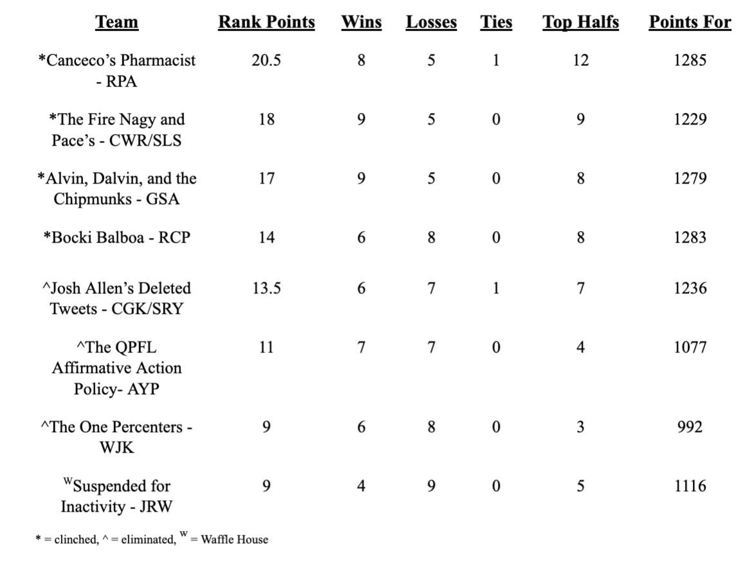
C. Godwin (TB) |  | T. Hill (KC) | 1 | A.J. Brown (TEN) | 20 | M. Evans (TB) | 0 | D.K. Metcalf (SEA) |  | D. Adams (GB) | 23 | C. Lamb (DAL) | 6 | S. Diggs (BUF) | 14
J. Jefferson (MIN) | 11 | C. Kupp (LAR) | 10 | J. Chase (CIN) | 12 | K. Allen (LAC) | 3 | T. McLaurin (WAS) | 4 | A. Thielen (MIN) |  | D.J. Moore (CAR) | 5 | Di. Johnson (PIT) | 9
J. Waddle (MIA) | 15 | D. Hopkins (ARI) |  | M. Williams (LAC) |  | A. Brown (TB) |  | D. Samuel (SF) | 18 | D. Smith (PHI) | 14 | A. Cooper (DAL) |  | C. Sutton (DEN)
J. Jeudy (DEN) |  | T. Higgins (CLE) |  | M. Thomas (NO) |  | M. Pittman Jr. (IND) |  | M. Brown (BAL) |  | C. Ridley (ATL) |  | O. Beckham Jr. (LAR) |  | J. Jones (TEN)

TE |  | TE |  | TE |  | TE |  | TE |  | TE |  | TE |  | TE
D. Knox (BUF) | 7 | M. Andrews (BAL) | 18 | G. Kittle (SF) | 2 | M. Gesicki (MIA) | 2 | T. Kelce (KC) |  | T.J. Hockenson (DET) |  | D. Waller (LV) |  | J. Smith (NE)
D. Schultz (DAL) |  | D. Goedert (PHI) |  | H. Henry (NE) |  | R. Gronkowski (TB) |  | K. Pitts (ATL) | 10 | R. Tonyan (GB) |  | N. Fant (DEN) | 3 | L. Thomas (WAS)
A. Hooper (CLE) |  | E. Engram (NYG) |  | C. Kmet (CHI) |  | P. Freiermuth (PIT) |  | J. Cook (LAC) |  | M. Alie-Cox (IND) | 4 | H. Hurst (ATL) |  | T. Higbee (LAR) | 4

K |  | K |  | K |  | K |  | K |  | K |  | K |  | K
G. Zuerlein (DAL) |  | M. Prater (ARI) | -3 | B. McManus (DEN) | 6 | J. Sanders (MIA) |  | J. Tucker (BAL) | 3 | Y. Koo (ATL) |  | T. Bass (BUF) | 6 | H. Butker (KC) | 0
M. Gay (LAR) | 8 | M. Crosby (GB) |  | C. Santos (CHI) |  | R. Succop (TB) | 11 | D. Carlson (LV) |  | C. Boswell (PIT) | 1 | R. Blankenship (IND) |  | G. Joseph (MIN)

DEF |  | DEF |  | DEF |  | DEF |  | DEF |  | DEF |  | DEF |  | DEF
Indianapolis Colts |  | San Francisco 49ers |  | Los Angeles Rams | 5 | Los Angeles Chargers | -5 | New Orleans Saints |  | Baltimore Ravens | -3 | Denver Broncos |  | Buffalo Bills | 5
New England Patriots | -4 | Miami Dolphins | 22 | Cleveland Browns |  | Arizona Cardinals |  | Washington Football Team |  | New York Jets |  | Tampa Bay Buccaneers |  | Chicago Bears

HC |  | HC |  | HC |  | HC |  | HC |  | HC |  | HC |  | HC
S. McVay (LAR) |  | A. Reid (KC) |  | K. Shanahan (SF) | -1 | K. Stefanski (CLE) |  | S. Payton (NO) |  | N. Sirianni (PHI) | 4 | P. Carroll (SEA) | -1 | J. Harbaugh (BAL) | -3
B. Arians (TB) | 4 | M. LaFleur (GB) | 2 | S. McDermott (BUF) |  | B. Belichick (NE) | -2 | B. Staley (LAC) | -3 | M. Vrabel (TEN) |  | M. Tomlin (PIT) |  | K. Kingsbury (ARI)

 | 105 |  | 106 |  | 77 |  | 36 |  | 98 |  | 64 |  | 56 |  | 47
Najee |  | Andrews |  | Taylor |  | Brady |  | Allen |  | Ekeler |  | Herbert |  | Jones

Week 14
Week 14

The QPFL Affirmative Action Policy |  | Canseco's Pharmacist |  | Alvin, Dalvin, and the Chipmunks |  | The Fire Nagy and Pace |  | Suspended for Inactivity |  | The One Percenters |  | Bocki Balboa |  | Josh Allen's Deleted Tweets |  | FA Pool
Arnav Patel |  | Censored Ansel |  | Griffin Redacted |  | Connor/Stephen |  | Joe Ward |  | Bill Kuhl |  | Ryan Przybocki |  | Kaminska/Spencer |  | RB | WR | DEF
AYP |  | RPA |  | GSA |  | CWR/SLS |  | JRW |  | WJK |  | RCP |  | CGK/SRY |  | K. Gainwell (PHI) | R. Bateman (BAL) | Houston
 | Points |  | Points |  | Points |  | Points |  | Points |  | Points |  | Points |  | Points | C. Hubbard (CAR) | K. Toney (NYG)
QB |  | QB |  | QB |  | QB |  | QB |  | QB |  | QB |  | QB |  | T. Sermon (SF) | J. Raegor (PHI)
M. Stafford (LAR) | 29 | D. Prescott (DAL) | 10 | P. Mahomes II (KC) | 24 | K. Murray (ARI) | 17 | L. Jackson (BAL) | 0 | A. Rodgers (GB) | 37 | T. Brady (TB) | 33 | J. Allen (BUF) | 38
J. Hurts (PHI) |  | T. Lawrence (JAX) |  | R. Wilson (SEA) |  | T. Tagovailoa (MIA) |  | R. Tannehill (TEN) |  | J. Herbert (LAC) |  | K. Cousins (MIN) |  | Z. Wilson (NYJ)
D. Watson (HOU) |  | M. Jones (NE) |  | J. Burrow (CIN) |  | B. Mayfield (CLE) |  | J. Fields (CHI) |  | C. Wentz (IND) |  | T. Lance (SF) |  | D. Carr (LV) |  | Key |  |  | Byes
 |  |  |  |  |  |  |  |  |  |  |  |  |  |  |  |  | Thursday |  | Carolina
RB |  | RB |  | RB |  | RB |  | RB |  | RB |  | RB |  | RB |  |  | Sun Morning |  | Cleveland
A. Ekeler (LAC) | 13 | E. Elliott (DAL) | 7 | D. Cook (MIN) |  | J. Taylor (IND) |  | J. Jacobs (LV) |  | S. Barkley (NYG) |  | D. Henry (TEN) |  | C. McCaffrey (CAR) |  |  | Sun Afternoon |  | Green Bay
C. Carson (SEA) |  | N. Harris (PIT) | 22 | A. Kamara (NO) | 20 | D. Montgomery (CHI) | 7 | A. Jones (GB) | 18 | C. Edwards-Helaire (KC) | 15 | A. Gibson (WAS) | 1 | J. Mixon (CIN) | 6 |  | Sun Night |  | Tennessee
M. Carter (NYJ) |  | D. Swift (DET) |  | N. Chubb (CLE) | 5 | J. Robinson (JAX) | 0 | Jav. Williams (DEN) | 20 | L. Fournette (TB) | 18 | M. Gaskin (MIA) |  | T. Etienne Jr. (JAX) |  |  | Monday
E. Mitchell (SF) | 0 | K. Hunt (CLE) |  | J.K. Dobbins (BAL) |  | D. Harris (NE) |  | C. Patterson (ATL) |  | Da. Williams (KC) |  | D. Singletary (BUF) | 8 | A.J. Dillon (GB) | 7 |  | No Game
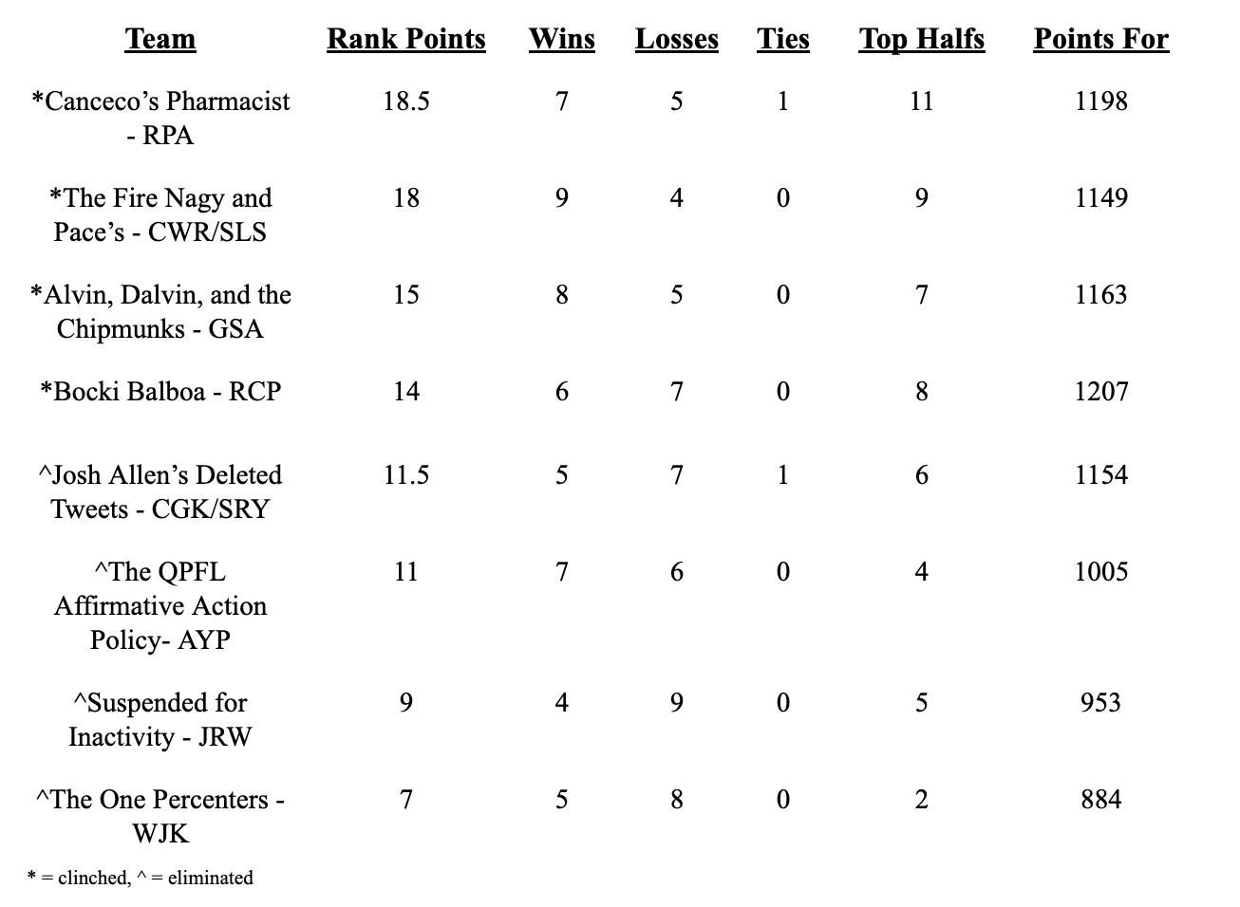
WR |  | WR |  | WR |  | WR |  | WR |  | WR |  | WR |  | WR
D. Adams (GB) | 24 | C. Godwin (TB) | 10 | T. Hill (KC) | 7 | A.J. Brown (TEN) |  | S. Diggs (BUF) | 7 | C. Lamb (DAL) | 7 | M. Evans (TB) | 15 | D.K. Metcalf (SEA) | 4
A. Thielen (MIN) |  | J. Jefferson (MIN) | 13 | C. Kupp (LAR) | 18 | J. Chase (CIN) | 19 | Di. Johnson (PIT) | 9 | D.J. Moore (CAR) | 8 | K. Allen (LAC) | 0 | T. McLaurin (WAS) | 0
D. Smith (PHI) |  | J. Waddle (MIA) |  | D. Hopkins (ARI) |  | M. Williams (LAC) | 6 | C. Sutton (DEN) |  | A. Cooper (DAL) |  | A. Brown (TB) |  | D. Samuel (SF)
C. Ridley (ATL) | 0 | J. Jeudy (DEN) |  | T. Higgins (CIN) |  | M. Thomas (NO) |  | J. Jones (TEN) |  | O. Beckham Jr. (LAR) |  | M. Pittman Jr. (IND) |  | M. Brown (BAL)

TE |  | TE |  | TE |  | TE |  | TE |  | TE |  | TE |  | TE
T.J. Hockenson (DET) | 0 | D. Knox (BUF) | 12 | M. Andrews (BAL) | 17 | G. Kittle (SF) | 22 | J. Smith (NE) |  | D. Waller (LV) |  | M. Gesicki (MIA) |  | T. Kelce (KC) | 2
R. Tonyan (GB) |  | D. Schultz (DAL) |  | D. Goedert (PHI) |  | H. Henry (NE) |  | L. Thomas (WAS) |  | N. Fant (DEN) | 5 | R. Gronkowski (TB) | 6 | K. Pitts (ATL)
M. Alie-Cox (IND) |  | A. Hooper (CLE) |  | E. Engram (NYG) |  | C. Kmet (CHI) |  | T. Higbee (LAR) | 0 | H. Hurst (ATL) |  | P. Freiermuth (PIT) |  | J. Cook (LAC)

K |  | K |  | K |  | K |  | K |  | K |  | K |  | K
Y. Koo (ATL) |  | G. Zuerlein (DAL) |  | M. Prater (ARI) | 13 | B. McManus (DEN) | 9 | H. Butker (KC) | 12 | T. Bass (BUF) | 4 | J. Sanders (MIA) |  | J. Tucker (BAL) | 12
C. Boswell (PIT) | 0 | M. Gay (LAR) | 11 | M. Crosby (GB) |  | C. Santos (CHI) |  | G. Joseph (MIN) |  | R. Blankenship (IND) |  | R. Succop (TB) | 5 | D. Carlson (LV)

DEF |  | DEF |  | DEF |  | DEF |  | DEF |  | DEF |  | DEF |  | DEF
Baltimore Ravens | 2 | Indianapolis Colts |  | San Francisco 49ers | 9 | Los Angeles Rams |  | Buffalo Bills | -2 | Denver Broncos | 10 | Los Angeles Chargers | 6 | New Orleans Saints | 9
New York Jets |  | New England Patriots |  | Miami Dolphins |  | Cleveland Browns |  | Chicago Bears |  | Tampa Bay Buccaneers |  | Arizona Cardinals |  | Washington Football Team

HC |  | HC |  | HC |  | HC |  | HC |  | HC |  | HC |  | HC
N. Sirianni (PHI) |  | S. McVay (LAR) |  | A. Reid (KC) |  | K. Shanahan (SF) |  | J. Harbaugh (BAL) | -1 | P. Carroll (SEA) | 4 | K. Stefanski (CLE) | 2 | S. Payton (NO) | 4
M. Vrabel (TEN) | 4 | B. Arians (TB) | 2 | M. LaFleur (GB) | 3 | S. McDermott (BUF) |  | K. Kingsbury (ARI) |  | M. Tomlin (PIT) |  | B. Belichick (NE) |  | B. Staley (LAC)

 | 72 |  | 87 |  | 116 |  | 80 |  | 63 |  | 108 |  | 76 |  | 82
QB |  | QB |  | RB |  | QB |  | QB |  | QB |  | WR |  | TE
T. Bridgewater (DEN) |  | J. Winston (NO) |  | A. Mattison (MIN) |  | D. Mills (HOU) |  | Jay Cutler (FA) |  | S. Darnold (CAR) |  | C. Davis (NYJ) |  | R. Seals-Jones (WAS)
RB |  | RB |  | K |  | RB |  | TE |  | WR |  | TE
M. Davis (ATL) |  | M. Gordon II (DEN) |  | C. McLaughlin (CLE) |  | C. Edmonds (ARI) |  | T. Conklin (MIN) |  | K. Golladay (NYG) |  | Z. Ertz (ARI)
WR |  | WR |  |  |  |  |  |  |  | DEF
D. Parker (MIA) |  | B. Aiyuk (SF) |  |  |  |  |  |  |  | Detroit Lions
DEF |  | TE
Carolina Panthers |  | D. Njoku (CLE)

Week 13
Week 13

The QPFL Affirmative Action Policy |  | Josh Allen's Deleted Tweets |  | Alvin, Dalvin, and the Chipmunks |  | The One Percenters |  | Suspended for Inactivity |  | The Fire Nagy and Pace's |  | Bocki Balboa |  | Canseco's Pharmacist |  | FA Pool
Arnav Patel |  | Kaminska/Spencer |  | Griffin Ansel |  | Bill Kuhl |  | Joe Ward |  | Connor/Stephen |  | Ryan Przybocki |  | Ryan Ansel |  | RB | WR | DEF
AYP |  | CGK/SRY |  | GSA |  | WJK |  | JRW |  | CWR/SLS |  | RCP |  | RPA |  | K. Gainwell (PHI) | R. Bateman (BAL) | Houston
 | Points |  | Points |  | Points |  | Points |  | Points |  | Points |  | Points |  | Points | T. Etienne Jr. (JAX) | K. Toney (NYG)
QB |  | QB |  | QB |  | QB |  | QB |  | QB |  | QB |  | QB |  | C. Hubbard (CAR) | J. Raegor (PHI)
M. Stafford (LAR) | 29 | J. Allen (BUF) | 13 | P. Mahomes II (KC) | 10 | A. Rodgers (GB) |  | L. Jackson (BAL) | 19 | K. Murray (ARI) |  | T. Brady (TB) | 35 | D. Prescott (DAL) | 13 | T. Sermon (SF)
J. Hurts (PHI) |  | Z. Wilson (NYJ) |  | R. Wilson (SEA) |  | J. Herbert (LAC) | 28 | R. Tannehill (TEN) |  | T. Tagovailoa (MIA) | 21 | K. Cousins (MIN) |  | T. Lawrence (JAX)
D. Watson (HOU) |  | M. Ryan (ATL) |  | J. Burrow (CIN) |  | C. Wentz (IND) |  | J. Fields (CHI) |  | B. Mayfield (CLE) |  | T. Lance (SF) |  | M. Jones (NE) |  | Key |  |  | Byes
 |  |  |  |  |  |  |  |  |  |  |  |  |  |  |  |  | Thursday |  | Carolina
RB |  | RB |  | RB |  | RB |  | RB |  | RB |  | RB |  | RB |  |  | Sun Morning |  | Cleveland
A. Ekeler (LAC) | 11 | C. McCaffrey (CAR) |  | D. Cook (MIN) | 0 | S. Barkley (NYG) | 6 | J. Jacobs (LV) | 14 | J. Taylor (IND) | 24 | D. Henry (TEN) |  | E. Elliott (DAL) | 4 |  | Sun Afternoon |  | Green Bay
C. Carson (SEA) |  | J. Mixon (CIN) | 8 | A. Kamara (NO) | 0 | C. Edwards-Helaire (KC) |  | A. Jones (GB) |  | D. Montgomery (CHI) | 20 | A. Gibson (WAS) | 16 | N. Harris (PIT) | 10 |  | Sun Night |  | Tennessee
M. Carter (NYJ) |  | D. Henderson (LAR) | 0 | N. Chubb (CLE) |  | L. Fournette (TB) | 14 | Jav. Williams (DEN) |  | J. Robinson (JAX) |  | M. Gaskin (MIA) | 4 | D. Swift (DET) |  |  | Monday
E. Mitchell (SF) | 13 | A.J. Dillon (GB) |  | J.K. Dobbins (BAL) |  | Da. Williams (KC) |  | C. Patterson (ATL) | 8 | D. Harris (NE) |  | D. Singletary (BUF) |  | K. Hunt (CLE) |  |  | No Game

WR |  | WR |  | WR |  | WR |  | WR |  | WR |  | WR |  | WR
D. Adams (GB) |  | D.K. Metcalf (SEA) | 6 | T. Hill (KC) | 2 | C. Lamb (DAL) | 11 | S. Diggs (BUF) | 5 | A.J. Brown (TEN) |  | M. Evans (TB) | 9 | C. Godwin (TB) | 14
A. Thielen (MIN) | 0 | T. McLaurin (WAS) | 2 | C. Kupp (LAR) | 18 | D.J. Moore (CAR) |  | Di. Johnson (PIT) | 22 | J. Chase (CIN) | 5 | K. Allen (LAC) | 15 | J. Jefferson (MIN) | 24
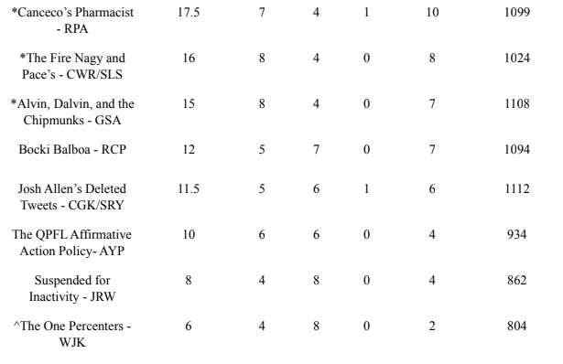
D. Smith (PHI) | 1 | D. Samuel (SF) |  | D. Hopkins (ARI) |  | A. Cooper (DAL) |  | C. Sutton (DEN) |  | M. Williams (LAC) | 11 | A. Brown (TB) |  | J. Waddle (MIA)
C. Ridley (ATL) |  | R. Moore (ARI) |  | T. Higgins (CIN) |  | O. Beckham Jr. (LAR) | 8 | J. Jones (TEN) |  | M. Thomas (NO) |  | M. Pittman Jr. (IND) |  | J. Jeudy (DEN)

TE |  | TE |  | TE |  | TE |  | TE |  | TE |  | TE |  | TE
T.J. Hockenson (DET) | 10 | T. Kelce (KC) | 2 | M. Andrews (BAL) | 5 | D. Waller (LV) |  | J. Smith (NE) |  | G. Kittle (SF) | 30 | M. Gesicki (MIA) |  | D. Knox (BUF) | 2
R. Tonyan (GB) |  | K. Pitts (ATL) |  | D. Goedert (PHI) |  | N. Fant (DEN) | 3 | L. Thomas (WAS) | 12 | H. Henry (NE) |  | R. Gronkowski (TB) | 17 | D. Schultz (DAL)
M. Alie-Cox (IND) |  | J. Cook (LAC) |  | E. Engram (NYG) |  | H. Hurst (ATL) |  | T. Higbee (LAR) |  | C. Kmet (CHI) |  | P. Freiermuth (PIT) |  | A. Hooper (CLE)

K |  | K |  | K |  | K |  | K |  | K |  | K |  | K
Y. Koo (ATL) | 3 | J. Tucker (BAL) | 4 | M. Prater (ARI) | 6 | T. Bass (BUF) | 1 | H. Butker (KC) | 8 | B. McManus (DEN) | 3 | J. Sanders (MIA) |  | G. Zuerlein (DAL)
C. Boswell (PIT) |  | D. Carlson (LV) |  | M. Crosby (GB) |  | R. Blankenship (IND) |  | G. Joseph (MIN) |  | C. Santos (CHI) |  | R. Succop (TB) |  | M. Gay (LAR) | 12
 |  |  |  |  |  |  |  |  |  |  |  |  | 4
DEF |  | DEF |  | DEF |  | DEF |  | DEF |  | DEF |  | DEF |  | DEF
Baltimore Ravens | 1 | New Orleans Saints |  | San Francisco 49ers |  | Denver Broncos |  | Buffalo Bills | 4 | Los Angeles Rams | 12 | Los Angeles Chargers |  | Indianapolis Colts | 16
New York Jets |  | Washington Football Team | 4 | Miami Dolphins | 11 | Tampa Bay Buccaneers | 9 | Chicago Bears |  | Cleveland Browns |  | Arizona Cardinals | 11 | New England Patriots

HC |  | HC |  | HC |  | HC |  | HC |  | HC |  | HC |  | HC
N. Sirianni (PHI) | 3 | S. Payton (NO) |  | A. Reid (KC) | 3 | P. Carroll (SEA) |  | J. Harbaugh (BAL) | -1 | K. Shanahan (SF) | -1 | K. Stefanski (CLE) |  | S. McVay (LAR) | 4
M. Vrabel (TEN) |  | B. Staley (LAC) | 3 | M. LaFleur (GB) |  | M. Tomlin (PIT) |  | K. Kingsbury (ARI) |  | S. McDermott (BUF) |  | B. Belichick (NE) | 2 | B. Arians (TB)

 | 71 |  | 42 |  | 55 |  | 80 |  | 91 |  | 125 |  | 113 |  | 99
QB |  | QB |  | RB |  | QB |  | QB |  | QB |  | WR |  | QB
T. Bridgewater (DEN) |  | D. Carr (LV) |  | A. Mattison (MIN) |  | S. Darnold (CAR) |  | Jay Cutler (FA) |  | D. Mills (HOU) |  | C. Davis (NYJ) |  | J. Winston (NO)
RB |  | WR |  | K |  | WR |  | TE |  | RB |  | TE |  | RB
M. Davis (ATL) |  | M. Brown (BAL) |  | C. McLaughlin (CLE) |  | K. Golladay (NYG) |  | T. Conklin (MIN) |  | C. Edmonds (ARI) |  | Z. Ertz (ARI) |  | M. Gordon II (DEN)
WR |  | TE |  |  |  | DEF |  |  |  |  |  |  |  | WR
D. Parker (MIA) |  | R. Seals-Jones (WAS) |  |  |  | Detroit Lions |  |  |  |  |  |  |  | B. Aiyuk (SF)
DEF |  |  |  |  |  |  |  |  |  |  |  |  |  | TE
Carolina Panthers |  |  |  |  |  |  |  |  |  |  |  |  |  | D. Njoku (CLE)

Week 12
Week 12

The QPFL Affirmative Action Policy |  | The Fire Nagy and Pace |  | Alvin, Dalvin, and the Chipmunks |  | Canseco's Pharmacist |  | Suspended for Inactivity |  | Josh Allen's Deleted Tweets |  | Bocki Balboa |  | The One Percenters |  | FA Pool
Arnav Patel |  | Connor/Stephen |  | Griffin Ansel |  | Ryan Ansel |  | Joe Ward |  | Kaminska/Spencer |  | Ryan Przybocki |  | Bill Kuhl |  | RB | WR | DEF
AYP |  | CWR/SLS |  | GSA |  | RPA |  | JRW |  | CGK/SRY |  | RCP |  | WJK |  | K. Gainwell (PHI) | R. Bateman (BAL) | Houston
 | Points |  | Points |  | Points |  | Points |  | Points |  | Points |  | Points |  | Points | T. Etienne Jr. (JAX) | K. Toney (NYG)
QB |  | QB |  | QB |  | QB |  | QB |  | QB |  | QB |  | QB |  | C. Hubbard (CAR) | J. Raegor (PHI)
M. Stafford (LAR) |  | K. Murray (ARI) |  | P. Mahomes II (KC) |  | D. Prescott (DAL) | 29 | L. Jackson (BAL) | 10 | J. Allen (BUF) | 34 | T. Brady (TB) | 13 | A. Rodgers (GB) |  | T. Sermon (SF)
J. Hurts (PHI) | 6 | T. Tagovailoa (MIA) | 15 | R. Wilson (SEA) |  | T. Lawrence (JAX) |  | R. Tannehill (TEN) |  | Z. Wilson (NYJ) |  | K. Cousins (MIN) |  | J. Herbert (LAC) | 22
D. Watson (HOU) |  | B. Mayfield (CLE) |  | J. Burrow (CIN) | 17 | M. Jones (NE) |  | J. Fields (CHI) |  | M. Ryan (ATL) |  | T. Lance (SF) |  | C. Wentz (IND) |  | Key |  |  | Byes
 |  |  |  |  |  |  |  |  |  |  |  |  |  |  |  |  | Thursday |  | Kansas City
RB |  | RB |  | RB |  | RB |  | RB |  | RB |  | RB |  | RB |  |  | Sun Morning |  | Arizona
A. Ekeler (LAC) | 15 | J. Taylor (IND) | 15 | D. Cook (MIN) | 7 | E. Elliott (DAL) | 10 | J. Jacobs (LV) | 16 | C. McCaffrey (CAR) | 3 | D. Henry (TEN) |  | S. Barkley (NYG) | 5 |  | Sun Afternoon
C. Carson (SEA) |  | D. Montgomery (CHI) | 6 | A. Kamara (NO) |  | N. Harris (PIT) | 2 | A. Jones (GB) |  | J. Mixon (CIN) | 28 | A. Gibson (WAS) | 16 | C. Edwards-Helaire (KC) |  |  | Sun Night
M. Carter (NYJ) | 0 | J. Robinson (JAX) |  | N. Chubb (CLE) | 3 | D. Swift (DET) |  | Jav. Williams (DEN) | 16 | D. Henderson (LAR) |  | M. Gaskin (MIA) | 16 | L. Fournette (TB) | 37 |  | Monday
E. Mitchell (SF) |  | D. Harris (NE) |  | J.K. Dobbins (BAL) |  | K. Hunt (CLE) |  | C. Patterson (ATL) |  | A.J. Dillon (GB) |  | D. Singletary (BUF) |  | Da. Williams (KC) |  |  | No Game
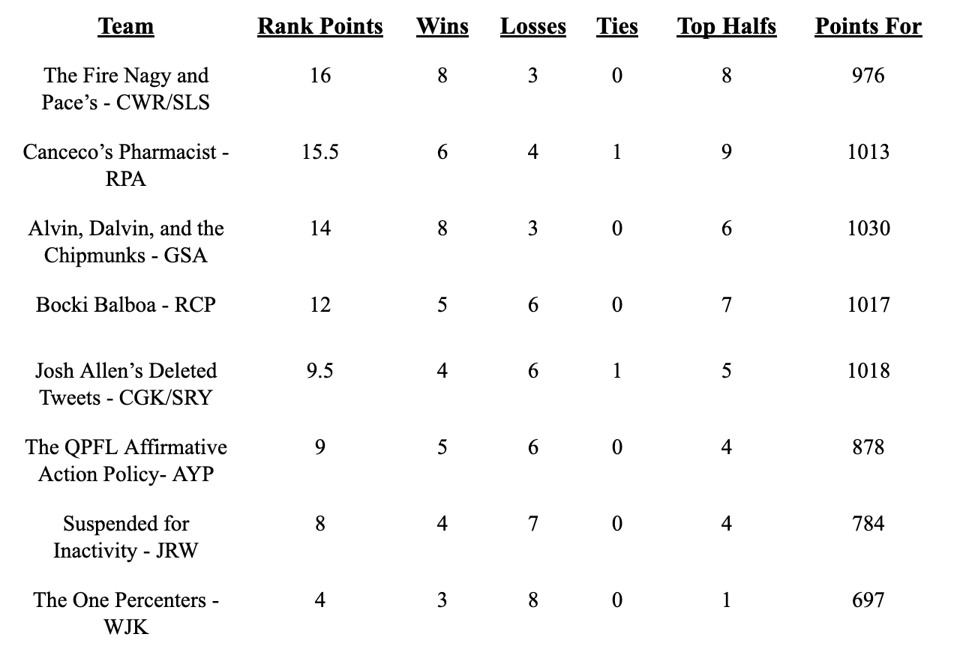
WR |  | WR |  | WR |  | WR |  | WR |  | WR |  | WR |  | WR
D. Adams (GB) | 10 | A.J. Brown (TEN) |  | T. Hill (KC) |  | C. Godwin (TB) | 0 | S. Diggs (BUF) | 13 | D.K. Metcalf (SEA) | 1 | M. Evans (TB) | 1 | C. Lamb (DAL)
A. Thielen (MIN) |  | J. Chase (CIN) | 3 | C. Kupp (LAR) | 11 | J. Jefferson (MIN) | 8 | Di. Johnson (PIT) | 9 | T. McLaurin (WAS) |  | K. Allen (LAC) | 8 | D.J. Moore (CAR) | 10
D. Smith (PHI) | 2 | M. Williams (LAC) | 3 | D. Hopkins (ARI) |  | J. Waddle (MIA) |  | C. Sutton (DEN) |  | D. Samuel (SF) | 19 | A. Brown (TB) |  | A. Cooper (DAL)
C. Ridley (ATL) |  | M. Thomas (NO) |  | T. Higgins (CIN) | 17 | J. Jeudy (DEN) |  | J. Jones (TEN) |  | R. Moore (ARI) |  | M. Pittman Jr. (IND) |  | O. Beckham Jr. (LAR) | 14

TE |  | TE |  | TE |  | TE |  | TE |  | TE |  | TE |  | TE
T.J. Hockenson (DET) | 9 | G. Kittle (SF) | 1 | M. Andrews (BAL) | 12 | D. Knox (BUF) | 15 | J. Smith (NE) |  | T. Kelce (KC) |  | M. Gesicki (MIA) |  | D. Waller (LV) | 3
R. Tonyan (GB) |  | H. Henry (NE) |  | D. Goedert (PHI) |  | D. Schultz (DAL) |  | L. Thomas (WAS) |  | K. Pitts (ATL) | 2 | R. Gronkowski (TB) | 12 | N. Fant (DEN)
M. Alie-Cox (IND) |  | C. Kmet (CHI) |  | E. Engram (NYG) |  | A. Hooper (CLE) |  | T. Higbee (LAR) | 0 | J. Cook (LAC) |  | P. Freiermuth (PIT) |  | H. Hurst (ATL)

K |  | K |  | K |  | K |  | K |  | K |  | K |  | K
Y. Koo (ATL) |  | B. McManus (DEN) | 4 | M. Prater (ARI) |  | G. Zuerlein (DAL) |  | H. Butker (KC) |  | J. Tucker (BAL) | 9 | J. Sanders (MIA) |  | T. Bass (BUF) | 6
C. Boswell (PIT) | 4 | C. Santos (CHI) |  | M. Crosby (GB) | 6 | M. Gay (LAR) | 6 | G. Joseph (MIN) | 1 | D. Carlson (LV) |  | R. Succop (TB) | 6 | R. Blankenship (IND)

DEF |  | DEF |  | DEF |  | DEF |  | DEF |  | DEF |  | DEF |  | DEF
Baltimore Ravens | 11 | Los Angeles Rams | -3 | San Francisco 49ers | 5 | Indianapolis Colts |  | Buffalo Bills | 10 | New Orleans Saints |  | Los Angeles Chargers | 1 | Denver Broncos
New York Jets |  | Cleveland Browns |  | Pittsburgh Steelers |  | New England Patriots | 14 | Chicago Bears |  | Washington Football Team |  | Arizona Cardinals |  | Tampa Bay Buccaneers | 11

HC |  | HC |  | HC |  | HC |  | HC |  | HC |  | HC |  | HC
N. Sirianni (PHI) | -1 | K. Shanahan (SF) |  | A. Reid (KC) |  | S. McVay (LAR) |  | J. Harbaugh (BAL) | 2 | S. Payton (NO) |  | K. Stefanski (CLE) |  | P. Carroll (SEA) | -1
M. Vrabel (TEN) |  | S. McDermott (BUF) | 4 | M. LaFleur (GB) |  | B. Arians (TB) | 2 | K. Kingsbury (ARI) |  | B. Staley (LAC) | -2 | B. Belichick (NE) | 4 | M. Tomlin (PIT)

 | 56 |  | 48 |  | 78 |  | 86 |  | 77 |  | 94 |  | 77 |  | 107
QB |  | QB |  | RB |  | QB |  | QB |  | QB |  | WR |  | QB
T. Bridgewater (DEN) |  | D. Mills (HOU) |  | A. Mattison (MIN) |  | J. Winston (NO) |  | Jay Cutler (FA) |  | D. Carr (LV) |  | C. Davis (NYJ) |  | S. Darnold (CAR)
RB |  | RB |  | K |  | RB |  | TE |  | WR |  | TE |  | WR
M. Davis (ATL) |  | C. Edmonds (ARI) |  | C. McLaughlin (CLE) |  | M. Gordon II (DEN) |  | T. Conklin (MIN) |  | M. Brown (BAL) |  | Z. Ertz (ARI) |  | K. Golladay (NYG)
WR |  |  |  | DEF |  | WR |  |  |  | TE |  |  |  | DEF
D. Parker (MIA) |  |  |  | Miami Dolphins |  | B. Aiyuk (SF) |  |  |  | R. Seals-Jones (WAS) |  |  |  | Detroit Lions
DEF |  |  |  |  |  | TE
Carolina Panthers |  |  |  |  |  | D. Njoku (CLE)

Week 11
Week 11

The QPFL Affirmative Action Policy |  | Suspended for Inactivity |  | Alvin, Dalvin, and the Chipmunks |  | Bocki Balboa |  | The Fire Nagy and Pace |  | Josh Allen's Deleted Tweets |  | Canseco's Pharmacist |  | The One Percenters |  | FA Pool
Arnav Patel |  | Joe Ward |  | Griffin Ansel |  | Ryan Przybocki |  | Connor/Stephen |  | Kaminska/Spencer |  | Ryan Ansel |  | Bill Kuhl |  | RB | WR | DEF
AYP |  | JRW |  | GSA |  | RCP |  | CWR/SLS |  | CGK/SRY |  | RPA |  | WJK |  | K. Gainwell (PHI) | R. Bateman (BAL) | Houston
 | Points |  | Points |  | Points |  | Points |  | Points |  | Points |  | Points |  | Points | T. Etienne Jr. (JAX) | K. Toney (NYG)
QB |  | QB |  | QB |  | QB |  | QB |  | QB |  | QB |  | QB |  | C. Hubbard (CAR) | J. Raegor (PHI)
M. Stafford (LAR) |  | L. Jackson (BAL) |  | P. Mahomes II (KC) | 7 | T. Brady (TB) | 23 | K. Murray (ARI) |  | J. Allen (BUF) | 19 | D. Prescott (DAL) | 2 | A. Rodgers (GB) | 41 | T. Sermon (SF)
J. Hurts (PHI) | 29 | R. Tannehill (TEN) |  | R. Wilson (SEA) |  | K. Cousins (MIN) |  | T. Tagovailoa (MIA) | 20 | Z. Wilson (NYJ) |  | T. Lawrence (JAX) |  | J. Herbert (LAC)
D. Watson (HOU) |  | J. Fields (CHI) | 3 | J. Burrow (CIN) |  | T. Lance (SF) |  | B. Mayfield (CLE) |  | M. Ryan (ATL) |  | M. Jones (NE) |  | C. Wentz (IND) |  | Key |  |  | Byes
 |  |  |  |  |  |  |  |  |  |  |  |  |  |  |  |  | Thursday |  | Denver
RB |  | RB |  | RB |  | RB |  | RB |  | RB |  | RB |  | RB |  |  | Sun Morning |  | LA Rams
A. Ekeler (LAC) | 35 | J. Jacobs (LV) | 5 | D. Cook (MIN) | 18 | D. Henry (TEN) |  | J. Taylor (IND) | 49 | C. McCaffrey (CAR) | 17 | E. Elliott (DAL) | 6 | S. Barkley (NYG) |  |  | Sun Afternoon
C. Carson (SEA) |  | A. Jones (GB) |  | A. Kamara (NO) |  | A. Gibson (WAS) | 7 | D. Montgomery (CHI) | 5 | J. Mixon (CIN) |  | N. Harris (PIT) | 11 | C. Edwards-Helaire (KC) | 13 |  | Sun Night
M. Carter (NYJ) |  | Jav. Williams (DEN) |  | N. Chubb (CLE) | 20 | M. Gaskin (MIA) | 14 | J. Robinson (JAX) |  | D. Henderson (LAR) |  | D. Swift (DET) |  | L. Fournette (TB) | 6 |  | Monday
E. Mitchell (SF) | 0 | C. Patterson (ATL) | 0 | J.K. Dobbins (BAL) |  | D. Singletary (BUF) |  | D. Harris (NE) |  | A.J. Dillon (GB) | 9 | K. Hunt (CLE) |  | Da. Williams (KC) |  |  | No Game
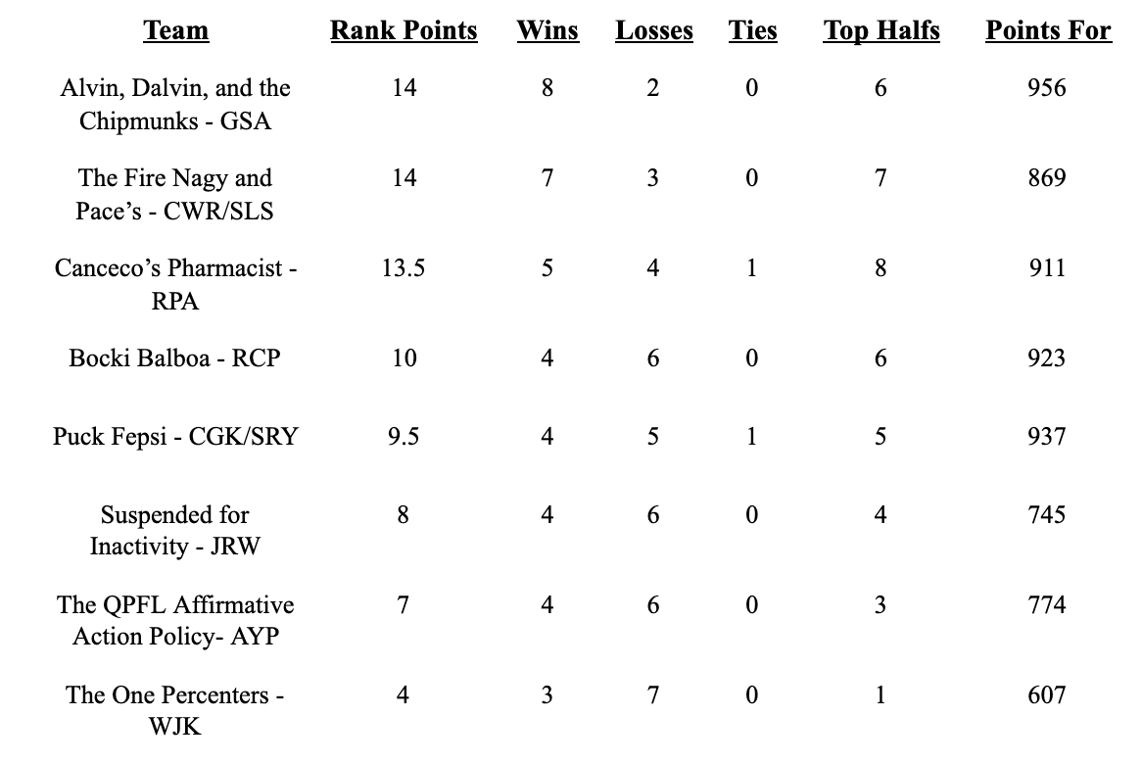
WR |  | WR |  | WR |  | WR |  | WR |  | WR |  | WR |  | WR
D. Adams (GB) | 23 | S. Diggs (BUF) | 14 | T. Hill (KC) | 10 | M. Evans (TB) | 13 | A.J. Brown (TEN) | 4 | D.K. Metcalf (SEA) | 3 | C. Godwin (TB) | 12 | C. Lamb (DAL) | 1
A. Thielen (MIN) |  | Di. Johnson (PIT) | 16 | C. Kupp (LAR) |  | K. Allen (LAC) | 11 | J. Chase (CIN) | 9 | T. McLaurin (WAS) |  | J. Jefferson (MIN) | 28 | D.J. Moore (CAR) | 11
D. Smith (PHI) | 6 | C. Sutton (DEN) |  | D. Hopkins (ARI) |  | A. Brown (TB) |  | M. Williams (LAC) |  | D. Samuel (SF) | 14 | J. Waddle (MIA) |  | A. Cooper (DAL)
C. Ridley (ATL) |  | J. Jones (TEN) |  | T. Higgins (CIN) | 1 | M. Pittman Jr. (IND) |  | M. Thomas (NO) |  | R. Moore (ARI) |  | J. Jeudy (DEN) |  | O. Beckham Jr. (LAR)

TE |  | TE |  | TE |  | TE |  | TE |  | TE |  | TE |  | TE
T.J. Hockenson (DET) | 5 | J. Smith (NE) | 1 | M. Andrews (BAL) | 7 | M. Gesicki (MIA) |  | G. Kittle (SF) | 9 | T. Kelce (KC) | 13 | A. Hooper (CLE) |  | D. Waller (LV) | 11
R. Tonyan (GB) |  | L. Thomas (WAS) |  | D. Goedert (PHI) |  | R. Gronkowski (TB) | 7 | H. Henry (NE) |  | K. Pitts (ATL) |  | D. Schultz (DAL) |  | N. Fant (DEN)
M. Alie-Cox (IND) |  | T. Higbee (LAR) |  | E. Engram (NYG) |  | P. Freiermuth (PIT) |  | B. Jarwin (DAL) |  | J. Cook (LAC) |  | D. Knox (BUF) | 8 | H. Hurst (ATL)

K |  | K |  | K |  | K |  | K |  | K |  | K |  | K
Y. Koo (ATL) | -2 | H. Butker (KC) | 4 | M. Prater (ARI) | 1 | J. Sanders (MIA) |  | B. McManus (DEN) |  | J. Tucker (BAL) | 7 | G. Zuerlein (DAL) | 7 | T. Bass (BUF) | -3
C. Boswell (PIT) |  | G. Joseph (MIN) |  | M. Crosby (GB) |  | R. Succop (TB) | 9 | C. Santos (CHI) | -1 | D. Carlson (LV) |  | M. Gay (LAR) |  | R. Blankenship (IND)

DEF |  | DEF |  | DEF |  | DEF |  | DEF |  | DEF |  | DEF |  | DEF
Baltimore Ravens | 9 | Buffalo Bills | -6 | San Francisco 49ers | 11 | Los Angeles Chargers |  | Los Angeles Rams |  | New Orleans Saints |  | Indianapolis Colts |  | Denver Broncos
New York Jets |  | Chicago Bears |  | Pittsburgh Steelers |  | Arizona Cardinals | 8 | Cleveland Browns | 8 | Washington Football Team | 1 | New England Patriots | 24 | Tampa Bay Buccaneers | 12

HC |  | HC |  | HC |  | HC |  | HC |  | HC |  | HC |  | HC
N. Sirianni (PHI) |  | J. Harbaugh (BAL) | 2 | A. Reid (KC) |  | K. Stefanski (CLE) | 2 | K. Shanahan (SF) | 4 | S. Payton (NO) | -2 | S. McVay (LAR) |  | P. Carroll (SEA) | -2
M. Vrabel (TEN) | -1 | K. Kingsbury (ARI) |  | M. LaFleur (GB) | -1 | B. Belichick (NE) |  | S. McDermott (BUF) |  | B. Staley (LAC) |  | B. Arians (TB) | 4 | M. Tomlin (PIT)

 | 104 |  | 39 |  | 74 |  | 94 |  | 107 |  | 81 |  | 102 |  | 90
QB |  | QB |  | RB |  | WR |  | QB |  | QB |  | QB |  | QB
T. Bridgewater (DEN) |  | Jay Cutler (FA) |  | A. Mattison (MIN) |  | C. Davis (NYJ) |  | D. Mills (HOU) |  | D. Carr (LV) |  | J. Winston (NO) |  | S. Darnold (CAR)
RB |  | TE |  | K |  | TE |  | RB |  | WR |  | RB |  | WR
M. Davis (ATL) |  | T. Conklin (MIN) |  | C. McLaughlin (CLE) |  | Z. Ertz (ARI) |  | C. Edmonds (ARI) |  | M. Brown (BAL) |  | M. Gordon II (DEN) |  | K. Golladay (NYG)
WR |  |  |  | DEF |  |  |  | TE |  | TE |  | WR |  | DEF
D. Parker (MIA) |  |  |  | Miami Dolphins |  |  |  | C. Kmet (CHI) |  | R. Seals-Jones (WAS) |  | B. Aiyuk (SF) |  | Detroit Lions
DEF |  |  |  |  |  |  |  |  |  |  |  | TE
Carolina Panthers |  |  |  |  |  |  |  |  |  |  |  | D. Njoku (CLE)

Week 10
Week 10

The QPFL Affirmative Action Policy |  | The One Percenters |  | Alvin, Dalvin, and the Chipmunks |  | Suspended for Inactivity |  | Canseco's Pharmacist |  | Josh Allen's Deleted Tweets |  | Bocki Balboa |  | The Fire Nagy and Pace |  | FA Pool
Arnav Patel |  | Bill Kuhl |  | Griffin Ansel |  | Joe Ward |  | Ryan Ansel |  | Kaminska/Spencer |  | Ryan Przybocki |  | Connor/Stephen |  | RB | WR | DEF
AYP |  | WJK |  | GSA |  | JRW |  | RPA |  | CGK/SRY |  | RCP |  | CWR/SLS |  | K. Gainwell (PHI) | R. Bateman (BAL) | Houston
 | Points |  | Points |  | Points |  | Points |  | Points |  | Points |  | Points |  | Points | T. Etienne Jr. (JAX) | K. Toney (NYG)
QB |  | QB |  | QB |  | QB |  | QB |  | QB |  | QB |  | QB |  | C. Hubbard (CAR) | J. Raegor (PHI)
M. Stafford (LAR) | 10 | A. Rodgers (GB) |  | P. Mahomes II (KC) | 46 | L. Jackson (BAL) |  | D. Prescott (DAL) | 29 | J. Allen (BUF) | 24 | T. Brady (TB) | 16 | K. Murray (ARI) |  | T. Sermon (SF)
J. Hurts (PHI) |  | J. Herbert (LAC) | 13 | R. Wilson (SEA) |  | R. Tannehill (TEN) |  | T. Lawrence (JAX) |  | Z. Wilson (NYJ) |  | K. Cousins (MIN) |  | T. Tagovailoa (MIA)
D. Watson (HOU) |  | C. Wentz (IND) |  | J. Burrow (CIN) |  | J. Fields (CHI) |  | M. Jones (NE) |  | M. Ryan (ATL) |  | T. Lance (SF) |  | B. Mayfield (CLE) | 6 | Key |  |  | Byes
 |  |  |  |  |  |  |  |  |  |  |  |  |  |  |  |  | Thursday |  | Chicago
RB |  | RB |  | RB |  | RB |  | RB |  | RB |  | RB |  | RB |  |  | Sun Morning |  | Cincinnati
A. Ekeler (LAC) | 11 | S. Barkley (NYG) |  | D. Cook (MIN) | 17 | J. Jacobs (LV) | 3 | E. Elliott (DAL) | 17 | C. McCaffrey (CAR) | 15 | D. Henry (TEN) |  | J. Taylor (IND) | 18 |  | Sun Afternoon |  | Houston
C. Carson (SEA) |  | Z. Moss (BUF) |  | A. Kamara (NO) |  | A. Jones (GB) | 8 | N. Harris (PIT) | 12 | J. Mixon (CIN) |  | A. Gibson (WAS) | 19 | D. Montgomery (CHI) |  |  | Sun Night |  | NY Giants
M. Carter (NYJ) |  | C. Edwards-Helaire (KC) |  | N. Chubb (CLE) |  | Jav. Williams (DEN) |  | D. Swift (DET) |  | D. Henderson (LAR) | 4 | M. Gaskin (MIA) | 4 | J. Robinson (JAX) | 13 |  | Monday
E. Mitchell (SF) | 9 | L. Fournette (TB) |  | J.K. Dobbins (BAL) |  | C. Patterson (ATL) |  | K. Hunt (CLE) |  | T. Pollard (DAL) |  | D. Singletary (BUF) |  | D. Harris (NE) |  |  | No Game
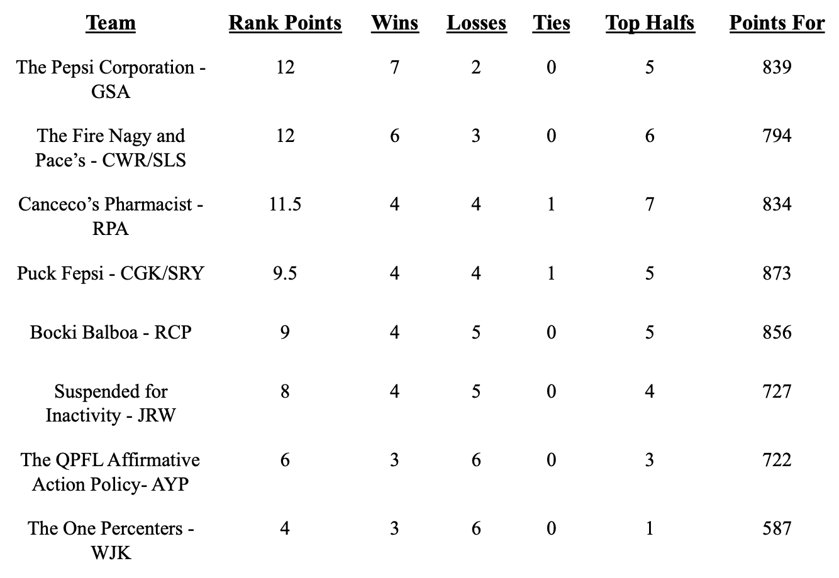
WR |  | WR |  | WR |  | WR |  | WR |  | WR |  | WR |  | WR
D. Adams (GB) | 7 | C. Lamb (DAL) |  | T. Hill (KC) | 20 | J. Chase (CIN) |  | C. Godwin (TB) |  | D.K. Metcalf (SEA) | 2 | M. Evans (TB) | 12 | S. Diggs (BUF) | 22
A. Thielen (MIN) | 6 | D.J. Moore (CAR) | 2 | C. Kupp (LAR) | 12 | R. Woods (LAR) | 0 | J. Jefferson (MIN) | 14 | T. McLaurin (WAS) | 5 | K. Allen (LAC) | 9 | A.J. Brown (TEN) | 1
D. Smith (PHI) |  | A. Cooper (DAL) |  | D. Hopkins (ARI) |  | C. Sutton (DEN) | 2 | J. Waddle (MIA) | 6 | D. Samuel (SF) |  | A. Brown (TB) |  | M. Thomas (NO)
O. Beckham Jr. (FA) |  | A. Robinson (CHI) |  | C. Ridley (ATL) |  | J. Jones (TEN) |  | J. Jeudy (DEN) |  | R. Moore (ARI) |  | M. Pittman Jr. (IND) |  | M. Williams (LAC)

TE |  | TE |  | TE |  | TE |  | TE |  | TE |  | TE |  | TE
T.J. Hockenson (DET) | 0 | D. Waller (LV) | 2 | M. Andrews (BAL) | 12 | J. Smith (NE) |  | A. Hooper (CLE) |  | T. Kelce (KC) | 11 | M. Gesicki (MIA) | 0 | G. Kittle (SF) | 11
R. Tonyan (GB) |  | N. Fant (DEN) |  | D. Goedert (PHI) |  | L. Thomas (WAS) |  | D. Schultz (DAL) | 1 | K. Pitts (ATL) |  | R. Gronkowski (TB) |  | H. Henry (NE)
M. Alie-Cox (IND) |  | H. Hurst (ATL) |  | E. Engram (NYG) |  | T. Higbee (LAR) |  | D. Knox (BUF) |  | J. Cook (LAC) |  | P. Freiermuth (PIT) |  | B. Jarwin (DAL)

K |  | K |  | K |  | K |  | K |  | K |  | K |  | K
Y. Koo (ATL) | 2 | M. Prater (ARI) | 4 | R. Blankenship (IND) |  | H. Butker (KC) | 8 | G. Zuerlein (DAL) |  | J. Tucker (BAL) | 2 | J. Sanders (MIA) |  | B. McManus (DEN) | 1
C. Boswell (PIT) |  | T. Bass (BUF) |  | M. Crosby (GB) | 1 | G. Joseph (MIN) |  | M. Gay (LAR) | 3 | D. Carlson (LV) |  | R. Succop (TB) | 3 | C. Santos (CHI)

DEF |  | DEF |  | DEF |  | DEF |  | DEF |  | DEF |  | DEF |  | DEF
Baltimore Ravens | 4 | Denver Broncos | 1 | San Francisco 49ers |  | Buffalo Bills |  | Indianapolis Colts | 7 | New Orleans Saints | 2 | Los Angeles Chargers |  | Los Angeles Rams | -1
New York Jets |  | Tampa Bay Buccaneers |  | Pittsburgh Steelers | 6 | Chicago Bears |  | New England Patriots |  | Washington Football Team |  | Arizona Cardinals | 0 | Cleveland Browns

HC |  | HC |  | HC |  | HC |  | HC |  | HC |  | HC |  | HC
N. Sirianni (PHI) | 3 | P. Carroll (SEA) | -2 | A. Reid (KC) |  | J. Harbaugh (BAL) |  | S. McVay (LAR) |  | S. Payton (NO) |  | K. Stefanski (CLE) |  | K. Shanahan (SF)
M. Vrabel (TEN) |  | M. Tomlin (PIT) |  | M. LaFleur (GB) | 3 | K. Kingsbury (ARI) | -3 | B. Arians (TB) | -2 | B. Staley (LAC) | -1 | B. Belichick (NE) | 4 | S. McDermott (BUF) | 4

 | 52 |  | 20 |  | 117 |  | 18 |  | 87 |  | 64 |  | 67 |  | 75
QB |  | QB |  | RB |  | QB |  | QB |  | QB |  | WR |  | QB
T. Bridgewater (DEN) |  | S. Darnold (CAR) |  | A. Mattison (MIN) |  | Jay Cutler (FA) |  | J. Winston (NO) |  | D. Carr (LV) |  | C. Davis (NYJ) |  | D. Mills (HOU)
RB |  | WR |  | WR |  | RB |  | RB |  | RB |  | TE |  | RB
M. Davis (ATL) |  | K. Golladay (NYG) |  | T. Higgins (CIN) |  | Da. Williams (KC) |  | M. Gordon II (DEN) |  | A.J. Dillon (GB) |  | Z. Ertz (ARI) |  | C. Edmonds (ARI)
WR |  | DEF |  | K |  | WR |  | WR |  | WR |  |  |  | TE
D. Parker (MIA) |  | Detroit Lions |  | C. McLaughlin (CLE) |  | Di. Johnson (PIT) |  | B. Aiyuk (SF) |  | M. Brown (BAL) |  |  |  | C. Kmet (CHI)
DEF |  |  |  | DEF |  | TE |  | TE |  | TE
Carolina Panthers |  |  |  | Miami Dolphins |  | T. Conklin (MIN) |  | D. Njoku (CLE) |  | R. Seals-Jones (WAS)

Week 9
Week 9

The QPFL Affirmative Action Policy |  | Alvin and Dalvin and the Chipmunks |  | Bocki Balboa |  | Suspended for Inactivity |  | The One Percenters |  | Josh Allen's Deleted Tweets |  | Canseco's Pharmacist |  | The Fire Nagy and Pace |  | FA Pool
Arnav Patel |  | Griffin Ansel |  | Ryan Przybocki |  | Joe Ward |  | Bill Kuhl |  | Kaminska/Spencer |  | Ryan Ansel |  | Connor/Stephen |  | RB | WR | DEF
AYP |  | GSA |  | RCP |  | JRW |  | WJK |  | CGK/SRY |  | RPA |  | CWR/SLS |  | K. Gainwell (PHI) | R. Bateman (BAL) | Houston
 | Points |  | Points |  | Points |  | Points |  | Points |  | Points |  | Points |  | Points | T. Etienne Jr. (JAX) | K. Toney (NYG)
QB |  | QB |  | QB |  | QB |  | QB |  | QB |  | QB |  | QB |  | C. Hubbard (CAR) | J. Raegor (PHI)
M. Stafford (LAR) | 14 | P. Mahomes II (KC) | 12 | T. Brady (TB) |  | L. Jackson (BAL) | 36 | A. Rodgers (GB) |  | J. Allen (BUF) | 9 | D. Prescott (DAL) | 22 | K. Murray (ARI) |  | T. Sermon (SF)
J. Hurts (PHI) |  | R. Wilson (SEA) |  | K. Cousins (MIN) | 25 | R. Tannehill (TEN) |  | J. Herbert (LAC) | 33 | Z. Wilson (NYJ) |  | T. Lawrence (JAX) |  | T. Tagovailoa (MIA)
D. Watson (HOU) |  | J. Burrow (CIN) |  | T. Lance (SF) |  | J. Fields (CHI) |  | C. Wentz (IND) |  | M. Ryan (ATL) |  | M. Jones (NE) |  | B. Mayfield (CLE) | 20 | Key |  |  | Byes
 |  |  |  |  |  |  |  |  |  |  |  |  |  |  |  |  | Thursday |  | Tampa Bay (Sorry Bocki)
RB |  | RB |  | RB |  | RB |  | RB |  | RB |  | RB |  | RB |  |  | Sun Morning |  | Washington
A. Ekeler (LAC) |  | D. Cook (MIN) | 12 | D. Henry (TEN) |  | J. Jacobs (LV) |  | S. Barkley (NYG) |  | C. McCaffrey (CAR) |  | E. Elliott (DAL) | 9 | J. Taylor (IND) | 31 |  | Sun Afternoon |  | Detroit
C. Carson (SEA) |  | A. Kamara (NO) | 16 | A. Gibson (WAS) |  | A. Jones (GB) | 5 | Z. Moss (BUF) | 1 | J. Mixon (CIN) | 22 | N. Harris (PIT) | 13 | D. Montgomery (CHI) |  |  | Sun Night |  | Seattle
M. Carter (NYJ) | 7 | N. Chubb (CLE) |  | M. Gaskin (MIA) | 9 | Jav. Williams (DEN) |  | C. Edwards-Helaire (KC) |  | T. Pollard (DAL) |  | D. Swift (DET) |  | J. Robinson (JAX) |  |  | Monday
E. Mitchell (SF) | 7 | J.K. Dobbins (BAL) |  | D. Singletary (BUF) | 5 | C. Patterson (ATL) | 13 | L. Fournette (TB) |  | D. Henderson (LAR) | 5 | K. Hunt (CLE) |  | D. Harris (NE) | 9 |  | No Game
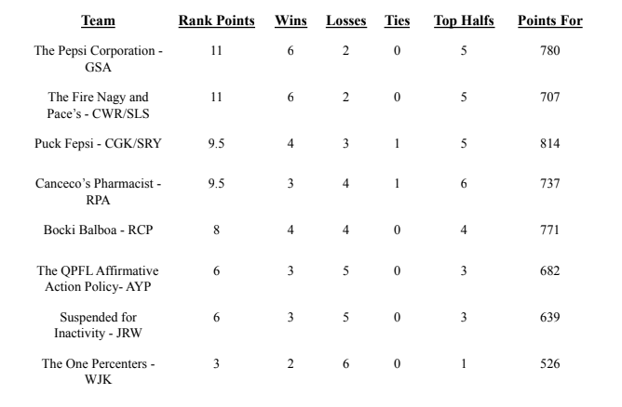
WR |  | WR |  | WR |  | WR |  | WR |  | WR |  | WR |  | WR
D. Adams (GB) | 4 | T. Hill (KC) | 3 | M. Evans (TB) |  | J. Chase (CIN) | 2 | A. Cooper (DAL) | 3 | D.K. Metcalf (SEA) |  | C. Godwin (TB) |  | S. Diggs (BUF) | 8
A. Thielen (MIN) | 6 | C. Kupp (LAR) | 9 | K. Allen (LAC) | 10 | R. Woods (LAR) | 9 | C. Ridley (ATL) |  | T. McLaurin (WAS) |  | J. Jefferson (MIN) | 15 | A.J. Brown (TEN) | 4
D. Smith (PHI) |  | D. Hopkins (ARI) |  | A. Brown (TB) |  | C. Sutton (DEN) |  | D.J. Moore (CAR) | 3 | D. Samuel (SF) | 6 | J. Waddle (MIA) | 8 | M. Thomas (NO)
O. Beckham Jr. (CLE) |  | C. Lamb (DAL) |  | M. Pittman Jr. (IND) | 12 | J. Jones (TEN) |  | A. Robinson (CHI) |  | R. Moore (ARI) | 2 | J. Jeudy (DEN) |  | M. Williams (LAC)

TE |  | TE |  | TE |  | TE |  | TE |  | TE |  | TE |  | TE
T.J. Hockenson (DET) |  | M. Andrews (BAL) | 4 | M. Gesicki (MIA) | 5 | J. Smith (NE) |  | D. Waller (LV) | 9 | T. Kelce (KC) |  | A. Hooper (CLE) |  | G. Kittle (SF)
R. Tonyan (GB) |  | D. Goedert (PHI) |  | R. Gronkowski (TB) |  | L. Thomas (WAS) |  | N. Fant (DEN) |  | K. Pitts (ATL) | 6 | D. Schultz (DAL) | 5 | H. Henry (NE) | 7
M. Alie-Cox (IND) | 2 | E. Engram (NYG) |  | P. Freiermuth (PIT) |  | T. Higbee (LAR) | 5 | H. Hurst (ATL) |  | J. Cook (LAC) |  | D. Knox (BUF) |  | B. Jarwin (DAL)

K |  | K |  | K |  | K |  | K |  | K |  | K |  | K
Y. Koo (ATL) | 6 | R. Blankenship (IND) |  | J. Sanders (MIA) | 5 | H. Butker (KC) | 6 | M. Prater (ARI) |  | J. Tucker (BAL) | 8 | G. Zuerlein (DAL) |  | B. McManus (DEN) | 6
C. Boswell (PIT) |  | M. Crosby (GB) | -3 | R. Succop (TB) |  | G. Joseph (MIN) |  | T. Bass (BUF) | 4 | D. Carlson (LV) |  | M. Gay (LAR) | 8 | C. Santos (CHI)

DEF |  | DEF |  | DEF |  | DEF |  | DEF |  | DEF |  | DEF |  | DEF
Baltimore Ravens |  | San Francisco 49ers |  | Los Angeles Chargers |  | Buffalo Bills | 10 | Denver Broncos | 8 | New Orleans Saints | 2 | Indianapolis Colts |  | Los Angeles Rams | 3
New York Jets | -5 | Pittsburgh Steelers | 7 | Arizona Cardinals | 11 | Chicago Bears |  | Tampa Bay Buccaneers |  | Washington Football Team |  | New England Patriots | 17 | Cleveland Browns

HC |  | HC |  | HC |  | HC |  | HC |  | HC |  | HC |  | HC
N. Sirianni (PHI) | -1 | A. Reid (KC) |  | K. Stefanski (CLE) |  | J. Harbaugh (BAL) | 2 | P. Carroll (SEA) |  | S. Payton (NO) | -1 | S. McVay (LAR) | -1 | K. Shanahan (SF)
M. Vrabel (TEN) |  | M. LaFleur (GB) | -1 | B. Belichick (NE) | 3 | K. Kingsbury (ARI) |  | M. Tomlin (PIT) |  | B. Staley (LAC) |  | B. Arians (TB) |  | S. McDermott (BUF) | -1

 | 40 |  | 59 |  | 85 |  | 88 |  | 61 |  | 59 |  | 96 |  | 87
QB |  | RB |  | WR |  | QB |  | QB |  | QB |  | QB |  | QB
T. Bridgewater (DEN) |  | A. Mattison (MIN) |  | C. Davis (NYJ) |  | Jay Cutler (FA) |  | S. Darnold (CAR) |  | D. Carr (LV) |  | J. Winston (NO) |  | D. Mills (HOU)
RB |  | WR |  | TE |  | RB |  | WR |  | RB |  | RB |  | RB
M. Davis (ATL) |  | T. Higgins (CIN) |  | Z. Ertz (ARI) |  | Da. Williams (KC) |  | K. Golladay (NYG) |  | A.J. Dillon (GB) |  | M. Gordon II (DEN) |  | C. Edmonds (ARI)
WR |  | K |  |  |  | WR |  | DEF |  | WR |  | WR |  | TE
D. Parker (MIA) |  | C. McLaughlin (CLE) |  |  |  | Di. Johnson (PIT) |  | Detroit Lions |  | M. Brown (BAL) |  | B. Aiyuk (SF) |  | C. Kmet (CHI)
DEF |  | DEF |  |  |  | TE |  |  |  | TE |  | TE
Carolina Panthers |  | Miami Dolphins |  |  |  | T. Conklin (MIN) |  |  |  | R. Seals-Jones (WAS) |  | D. Njoku (CLE)

